Definitions
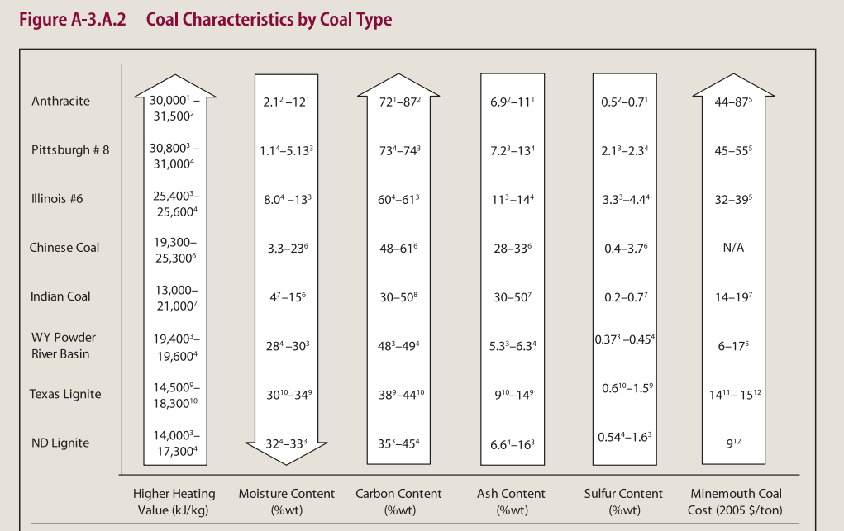
Anthracite | 86%–97% carbon and generally has the highest heating value
AD | air dried
AR | as received
ash | non-combustible and inorganic component of coal remaining after complete burning
Bituminous | 45%–86% carbon
clarian | macroscopically distinguishable component, or lithotype, of coal that is characterized by alternating bright and dull black laminae
durian | macroscopically distinguishable component, or lithotype, of coal characterized by a hard, granular texture and composed of the maceral groups exinite and inertinite as well as relatively large amounts of inorganic minerals; thick, lenticular bands, usually dull black to dark grey in colour
exinite | hydrogen-rich maceral group consisting of spore exines, cuticular matter, resins, and waxes
Fixed carbon | nonvolatile matter in coal minus the ash
Fly Ash | finely divided particles of ash entrained in gases resulting from the combustion of fuel
fusain | fossilised charcoal, fibrous, black and opaque, and often preserves details of cell wall architecture
humate | derived from weathered sub-bituminous coal, and opposite of leonardite, it was formed in a fresh water environment, not a salt water one, 87% humic acid
Leonardite | ranges in humic and fulvic acid content, derived from Lignite, formed in salt water deposits, less nutrient quality and properties then Humate
Lignite | 25%–35% carbon and has the lowest energy content
LOI | loss on ignition, inorganic analytical chemistry strongly heating ("igniting") a sample of the material at a specified temperature, allowing volatile substances to escape
maceral | analogous to minerals in inorganic rocks, but they lack a definite crystalline structure, microscopically recognizable, individual organic constituents
MAF | moisture-free and ash-free basis
Parting | layer of rock within a coalbed that lies roughly parallel to the coalbed and has the effect of splitting the bed into two divisions
Proximate analysis | determines, on an as-received basis, the moisture content, volatile matter (gases released when coal is heated), fixed carbon (solid fuel left after the volatile matter is driven off), and ash (impurities consisting of silica, iron, alumina, and other incombustible matter)
Subbituminous | contains 35%–45% carbon
tonstein | claystone partings, possibly weathered volcanic ash
Ultimate analysis | determines the amount of carbon, hydrogen, oxygen, nitrogen, and sulfur. Heating value is determined in terms of Btu, both on an as received basis (including moisture) and on a dry basis
vitrian | vitrain, macroscopically distinguishable component, or lithotype, of coal characterized by a brilliant black, glossy lustre and composed primarily of the maceral group vitrinite, derived from the bark tissue of large plants; narrow, sometimes markedly uniform bands that are rarely more than 0.5 inch (1.27 cm) thick
Vitrinite macerals | derived from the cell wall material (woody tissue) of plants, which are chemically composed of the polymers, cellulose and lignin
Volatile Matter | Portion of coal which is driven off in a gaseous form when the coal is heated

L after sample number | Sandia Lab, NMT samples
K after sample number | Kentucky Lab, NMT samples
no initial after sample nomber | SGS Lab, NMT samples

