Tocito_volumes
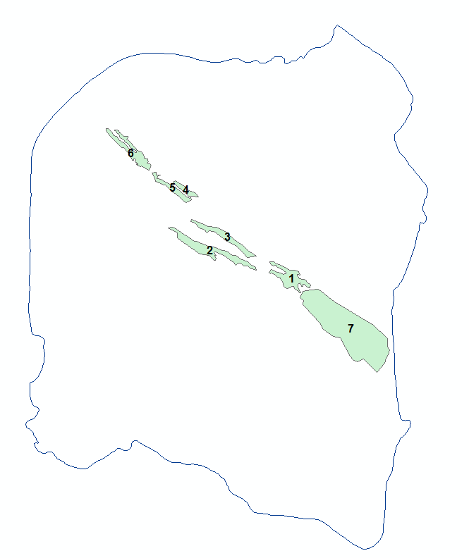
ID | Area (square foot) | thickness(ft) | Volume (cubic foot)
1 | 1.51E+09 | 45 | 6.80E+10
2 | 2.00E+09 | 45 | 8.99E+10
3 | 1.19E+09 | 45 | 5.35E+10
4 | 3.70E+08 | 45 | 1.66E+10
5 | 6.83E+08 | 45 | 3.07E+10
6 | 1.45E+09 | 45 | 6.53E+10
7 | 1.03E+10 | 45 | 4.65E+11

Sum |  |  | 7.89E+11

